Print Page 1
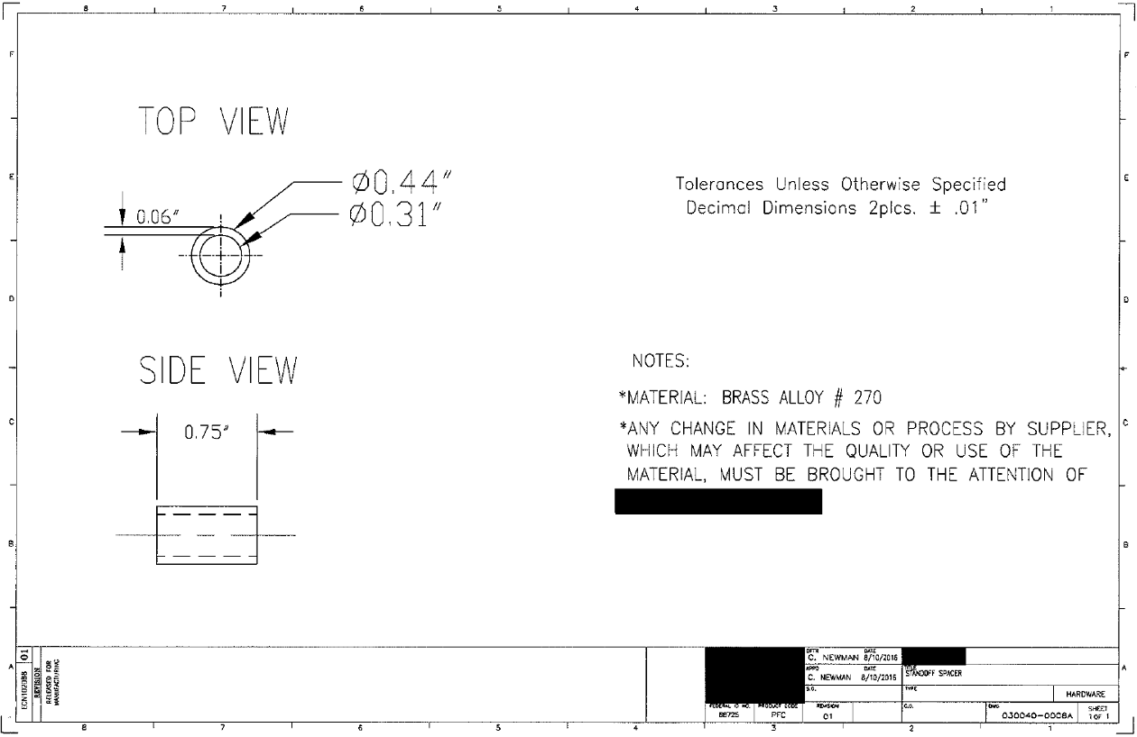
D

4

1

3

2

